records
Sample Measurement Record
Mano Engineering LLC |  |  |  |  |  |  |  | Part No. 10041-10590
No. | A | B | C | D | E | F | G
1 |  | 0.6265 |  | 0.161 | 0.3945 | 1.6265 | 0.264
2 |  | 0.631 |  | 0.158 | 0.391 | 1.6275 | 0.265
3 |  | 0.6265 |  | 0.1615 | 0.386 | 1.628 | 0.2655
4 |  | 0.629 |  | 0.159 | 0.3895 | 1.629 | 0.2635
5 |  | 0.63 |  | 0.158 | 0.388 | 1.6295 | 0.2645

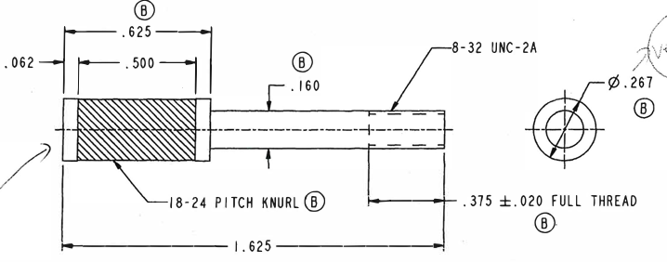
B

C
A
D
G

H
E

F

Note: "A" and "C" are from old drawing

